Table 1
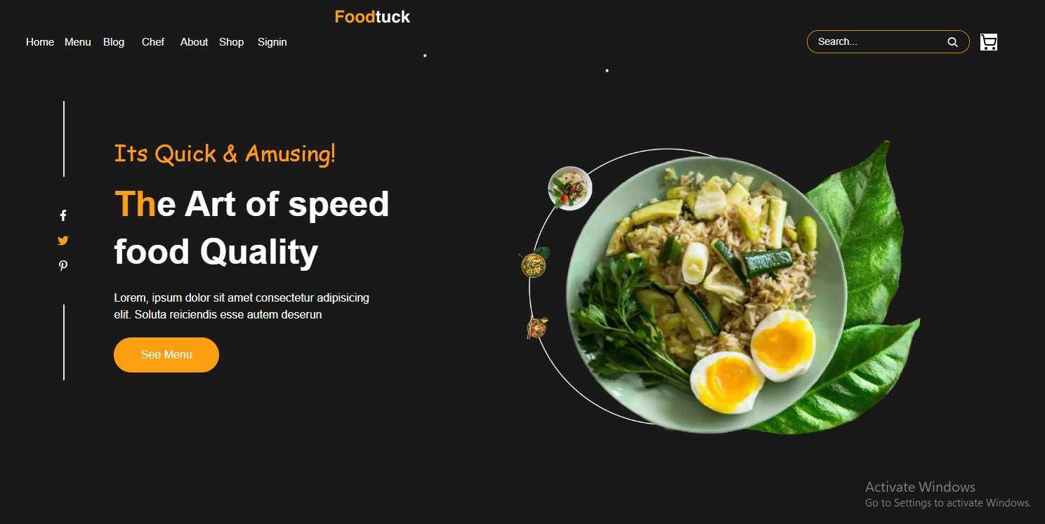
"Day 5: Testing Error Handling & Backend Integration Reflnement (Q-Commerce)." Test Case ID: TC001 - A unique identifier for the test. Test Case Description: Validates the functionality of the Product Listing Page - Explains the purpose of the test. Test Steps: Lists the actions taken during the test, in this case, navigating to the Products Page and verifying the correct display of products. Expected Result: Describes the anticipated outcome if the functionality is working correctly. Actual Result: States what actually happened during the test. In this case, all products were displayed as expected. Severity Level: Low - Indicates the impact of a potential failure, if one occurred. Assigned To: (Not Assigned) - Shows that no one is currently assigned responsibility for this test. Remarks: Provides additional notes about the test; here, it confirms the successful completion and lack of issues.

Test Case ID: TC002 - The second test case in the suite.

Test Case Description: Validates API Error Handling for Data Fetching of Products - This test focuses on how the system handles errors when retrieving product data. Test Steps: 1. Simulate a disconnection in the GROQ query. - This likely means intentionally disrupting the database query used to fetch products. GROQ is a query language used with Sanity.io, a content platform. 2. Refresh the page to trigger the error handling mechanism. - Refreshing the page after simulating the disconnection should activate the system's error handling. Expected Result: An appropriate error message should be displayed on the screen, clearly informing the user of the issue. - The test specifies that a user-friendly error message is expected. Actual Result: The error message was displayed on the screen as expected, providing clear feedback to the user. - The system behaved as expected. Severity Level: Low - Indicates that this error, while important to handle, is not critical in terms of system stability. Assigned To: (Not Assigned) - No one is assigned to this test instance. Remarks: Error handling works as expected. Consider reflning the user experience to ensure graceful handling of such scenarios. - The error handling functions, but there's room for improvement in how the error is presented to the user.

3. Test Case ID: TC003 - The third test case. Test Case Description: Validate Cart Functionality - Focuses on verifying the core functions of the shopping cart. Test Steps: 1. Add a product to the cart. - A product is added to the shopping cart. 2. Navigate to the cart page. - The tester then navigates to the cart page to view the added items. Expected Result: The selected product(s) should be displayed in the cart with accurate details such as name, quantity, price, and any applicable discounts. - This outlines the expected information to be displayed for the added product in the cart. Actual Result: The selected product(s) are displayed in the cart as expected, with all details accurately shown. - The system performed as expected, displaying all the necessary product information. Severity Level: Medium - A medium severity suggests that while not critical, issues with the cart functionality could significantly impact the user experience and sales. Assigned To: (Not Assigned)

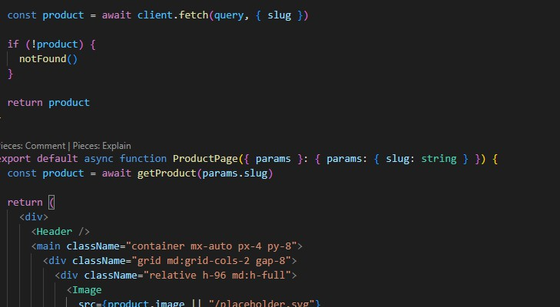
Remarks: Cart functionality is working as expected. - A concise summary of the test result.
4. Test Case ID: TC004 - The fourth test case. Test Case Description: Validate Mobile Responsiveness - This test checks if the website adapts correctly to different mobile screen sizes. Test Steps: 1. Open the website in a browser. - Access the website using a web browser. 2. Enable the device toolbar in the browser's developer tools. - This step activates the browser's built-in tools to simulate different mobile devices. 3. Verify the content display and layout. - The tester checks if the website's content and layout are displayed correctly on the simulated mobile devices. Expected Result: The content should adjust and display properly according to the selected mobile device's screen size, ensuring a responsive layout and seamless user experience. - This defines the desired outcome: the website should adapt seamlessly to various mobile screens. Actual Result: The content adjusts and displays correctly based on the selected mobile device, maintaining responsiveness. - The website performed as expected, adapting to the simulated mobile devices. Severity Level: Medium - A medium severity highlights the importance of mobile responsiveness for a good user experience. Assigned To: (Not Assigned) - No one is assigned to this test instance. Remarks: The application is responsive on mobile devices.

5. Test Case ID: TC005 - The fifth test case. Test Case Description: Validate Dynamic Product Detail Pages - This test verifies that clicking on a product card opens the correct product detail page. Test Steps: 1. Navigate to the product page. - Go to the main listing of products. 2. Click on any product card to view its details. - Select a specific product to see its detailed information. Expected Result: The corresponding dynamic product detail page should open. - The correct product details should be displayed upon clicking a product card. Actual Result: The dynamic product detail page successfully opened. - The system behaved as expected. Severity Level: Low - A low severity suggests that while important, this functionality isn't critical to the core user flow. Assigned To: - - No one is assigned to this test instance. Remarks: Test was successful, no issues were encountered. - A concise summary of the test result.

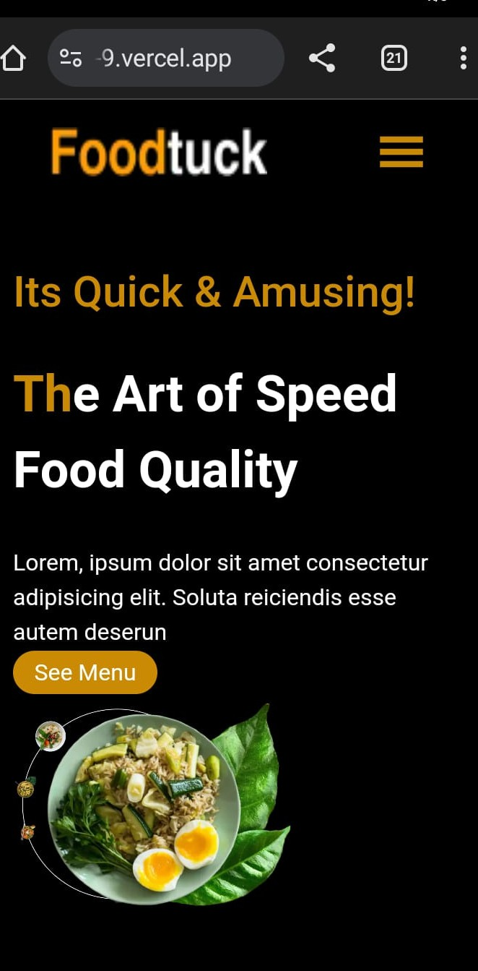
6. Test Case ID: TC006 - The sixth test case. Test Case Description: Cross-Browser Compatibility Testing on Opera - This test verifies that the website functions correctly in the Opera browser. Test Steps: 1. Open our website using the Opera browser. - Access the website using the Opera web browser. 2. Verify the website functions as expected. - The tester checks all functionalities of the website to ensure they work correctly in Opera. Expected Result: The website should render and function correctly on the Opera browser. - The website should display properly and all features should work as intended in Opera. Actual Result: The website is working correctly on the Opera browser. - The system performed as expected in the Opera browser. Severity Level: Low - A low severity suggests that while important, browser compatibility issues are not critical to the core user flow. Assigned To: - - No one is assigned to this test instance. Remarks: Test completed successfully on Opera without any issues.

